Graphical representation
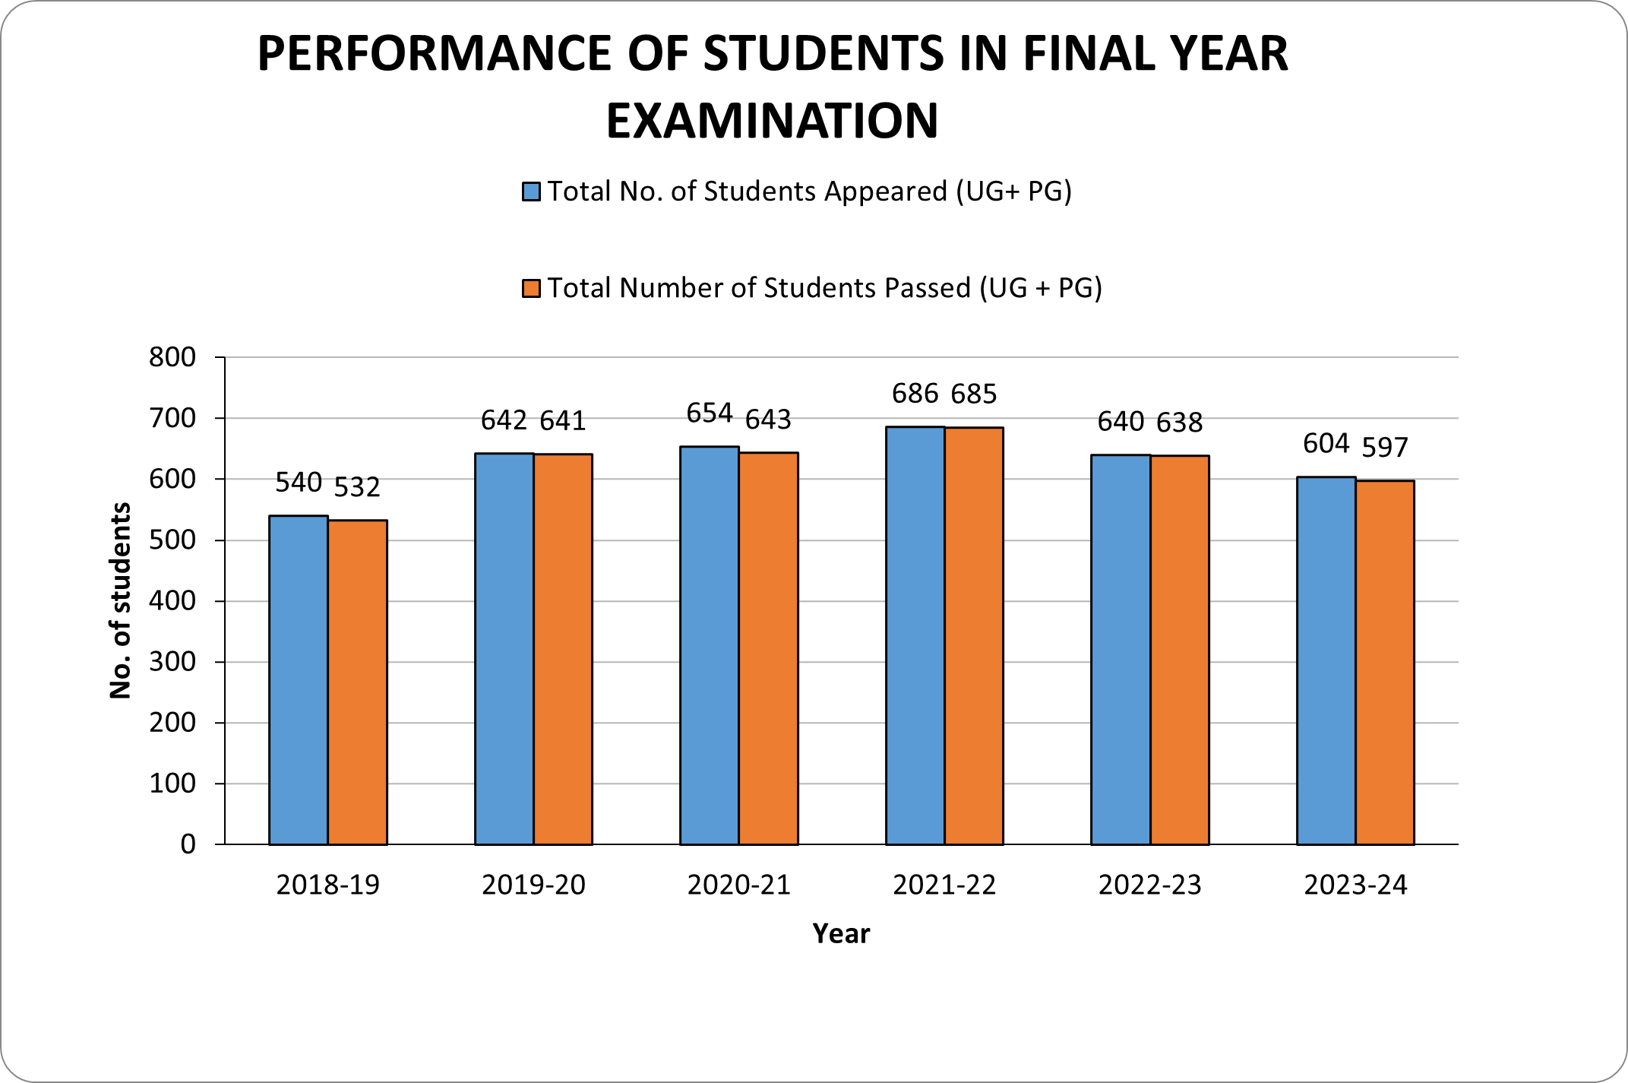
 | 2018-19 | 2019-20 | 2020-21 | 2021-22 | 2022-23 | 2023-24
Total No. of Students Appeared (UG+ PG) | 540 | 642 | 654 | 686 | 640 | 604
Total Number of Students Passed (UG + PG) | 532 | 641 | 643 | 685 | 638 | 597
Percentage Per Year = No. of Students passed X 100/ No. of Students Appeared | 98.51 | 99.84 | 98.31 | 99.85 | 99.68 | 98.18

PERFORMANCE OF STUDENTS IN FINAL YEAR EXAMINATION

